1. WIZE Ideal Income Cal
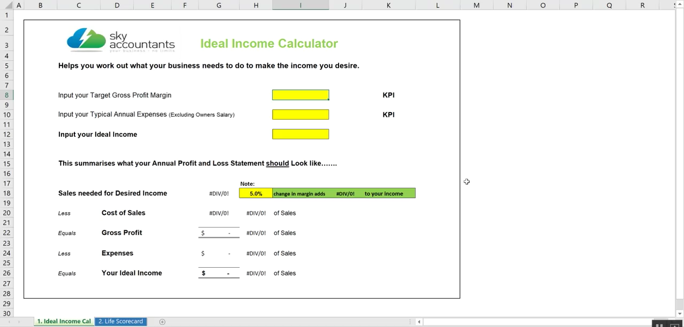
 |  |  |  |  |  |  | Watch here for instructions on how to complete
 |  | Ideal Income Calculator

Helps you work out what your business needs to do to make the income you desire.

Input your Target Gross Profit Margin |  |  |  | 44.0% |  | KPI

Input your Typical Annual Expenses (Excluding Owners Salary) |  |  |  | $100,000 |  | KPI

Input your Ideal Income |  |  |  | $150,000

This summarises what your Annual Profit and Loss Statement should Look like…….

 |  |  | Note:
Sales needed for Desired Income |  | $568,182 | 5.0% | change in margin adds | $28,409 | to your income

Less | Cost of Sales | $318,182 | 56% | of Sales
 |  | $1
Equals | Gross Profit | $250,000 | 44% | of Sales

Less | Expenses | $100,000 | 18% | of Sales

Equals | Your Ideal Income | $150,000 | 26% | of Sales

 |  |  |  |  |  | © WIZE mentoring 2018

 | Join our secret WIZE Tribe Facebook group to meet other Accountants and Bookkeepers from around the world who are
 | looking to grow, just like you! - Click here to join.

2. WIZE Life Scorecard
 |  |  | The WIZE Life Scorecard
 |  |  | “Do all the good you can. By all the means you can. In all the ways you can. In all the places you can. At all the times you can. To all the people you can. As long as ever you can.”
 |  |  | Name: |  |  |  |  | Date:

"To get something you never had, you have to do something you never did. "

 | At WIZE Mentoring we want to work with people who want to maximise their full potential.

 | The eight sections in the wheel of life represent balance. Regard the centre of the wheel as 0 and the outer
 | edge as 10, rank your level of satisfaction with each life area by giving it a score from 1 to 10.

 | Life Area: | Score from 1 to 10 |  | Guidance on Completing your Scores
 | Career / Business | 8.00 |  | A score of 1. | Means you are very unhappy with your progress in this area of your life.
 | Money | 5.00
 | Health | 5.00
 | Friends & Family | 9.00 |  | A score of 5. | Means you are partly happy, but can improve a lot in this area of your life.
 | Romance | 5.00
 | Personal Growth | 4.00
To get access to the WIZE Life Scorecard - click here
 | Fun & Recreation | 7.00
 | Physical Environment | 6.00 |  | A score of 10. | Means you are very happy with your progress in this area of your life.

Measure Your Life - What's Your Score?
Career / Business | 8.00
Money | 5.00
Health | 5.00
Friends & Family | 9.00
Romance | 5.00
Personal Growth | 4.00
Fun & Recreation | 7.00
Physical Environment | 6.00

 | Goals - How To Turn Your Dreams into Reality. |  |  |  |  | "We all had reports while at school to measure our progress; in
 |  |  |  |  |  | my view an on going measure of your life is even more important"
 | Now list all the steps and actions you need to take in order to achieve a 10 in each area above. |  |  |  |  |  | Jamie Johns - Sky Accountants CEO & Founder

 | Place a timeframe around each step, break in down into:
 | Achieve in 12 months
 | Achieve in 5 years
 | Achieve in 10 years
 | Achieve in 20 years
 | Achieve in 30 years |  |  |  |  | Examples of Goals that may apply to you……..
 |  |  |  |  |  | "Meditate once a day for 5 minutes, show gratitude."
 | Accountability - Actions Speak Louder Than Words. |  |  |  |  | "Exercise at least for 30 minutes once a day."
 |  |  |  |  |  | "Train my staff to do the following jobs so I can work on………."
 | Each month retake the scorecard exercise above, check if your moving |  |  |  |  | "Hold our Weekly and Monthly Meetings"
 | forward or moving backwards and ask yourself why? But be patient,
 | change takes time, remember ice doesn’t melt until 100 degrees, but a lot of engery goes into
 | the first 99 degrees and it goes entirely unnoticed. Success is only for those who never give up. There are no shortcuts!

 | Remember that success in any area of life requires learning and experiencing what works and doesn't work for you. Sometimes the best
 | way to advoid all the downfalls and unseen problems is to engage a mentor or coach. At WIZE Mentoring we practice what we preach,
 | we have used Coaches and Mentors for years and its been the best investment we ever made. We only want to share our success.

 | WIZE Mentoring - Yes We Can Help:
 | WIZE Mentoring offers an online platform giving you access to mentoring to help you get answers to your questions, online modules to walk you through proven strategies and accountability to make sure you execute on the steps to achieve your goals.

